1-wave transition probabilities
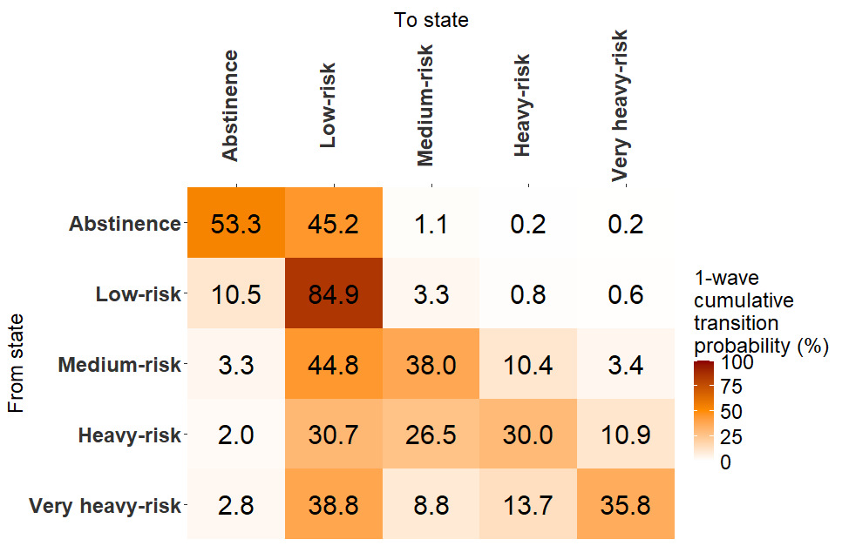
Cumulative transition probability matrix

 | P1 | for 12 months
 |  | Abstinence | Low-risk | Medium-risk | Heavy-risk | very heavy-risk
 | Abstinence | 53.3% | 45.2% | 1.1% | 0.2% | 0.2%
 | Low-risk | 10.5% | 84.9% | 3.3% | 0.8% | 0.6%
 | Medium-risk | 3.3% | 44.8% | 38.0% | 10.4% | 3.4%
 | Heavy-risk | 2.0% | 30.7% | 26.5% | 30.0% | 10.9%
 | very heavy-risk | 2.8% | 38.8% | 8.8% | 13.7% | 35.8%

Future transition probabilities
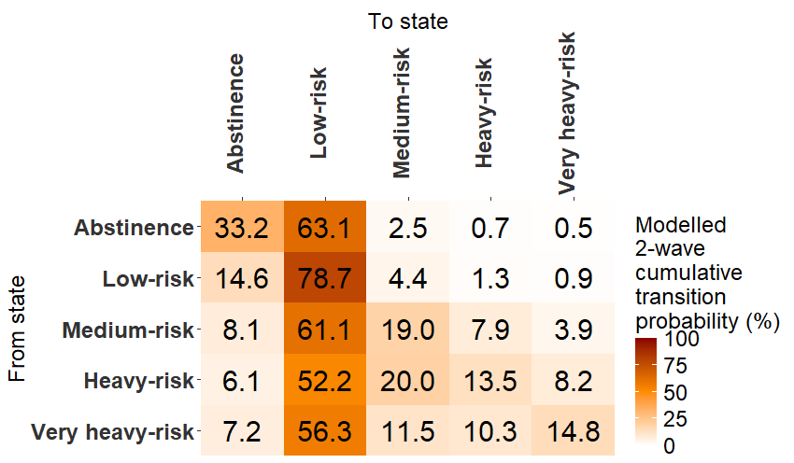
Project future transition probabilities
 | Modelled cummulative transition probabilities

 | P2 | for 24 months
 |  | Abstinence | Low-risk | Medium-risk | Heavy-risk | very heavy-risk
 | Abstinence | 33.2% | 63.1% | 2.5% | 0.7% | 0.5%
 | Low-risk | 14.6% | 78.7% | 4.4% | 1.3% | 0.9%
 | Medium-risk | 8.1% | 61.1% | 19.0% | 7.9% | 3.9%
 | Heavy-risk | 6.1% | 52.2% | 20.0% | 13.5% | 8.2%
 | very heavy-risk | 7.2% | 56.3% | 11.5% | 10.3% | 14.8%

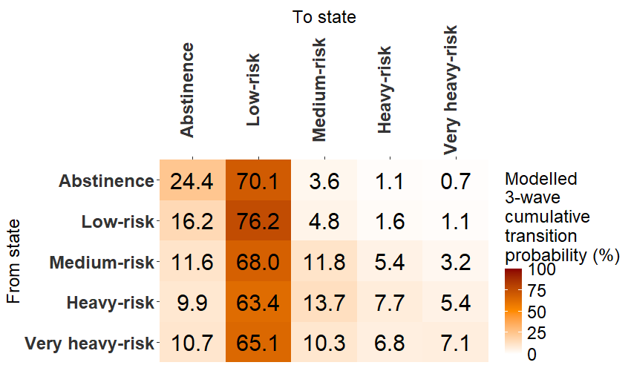

 | P3
 |  | Abstinence | Low-risk | Medium-risk | Heavy-risk | very heavy-risk
 | Abstinence | 24.4% | 70.1% | 3.6% | 1.1% | 0.7%
 | Low-risk | 16.2% | 76.2% | 4.8% | 1.6% | 1.1%
 | Medium-risk | 11.6% | 68.0% | 11.8% | 5.4% | 3.2%
 | Heavy-risk | 9.9% | 63.4% | 13.7% | 7.7% | 5.4%
 | very heavy-risk | 10.7% | 65.1% | 10.3% | 6.8% | 7.1%

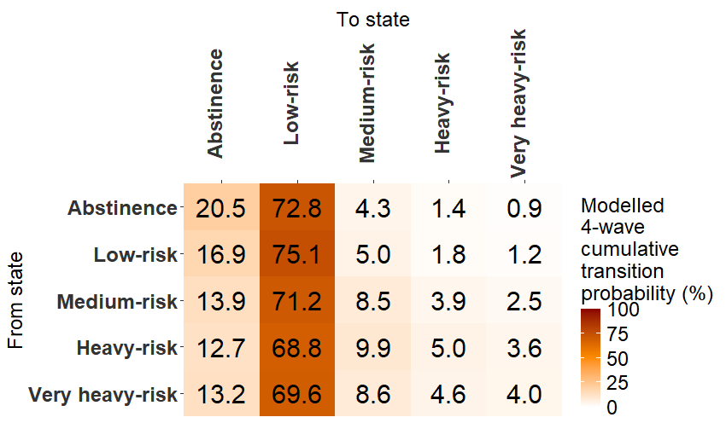

 | P4 | for 48 months
 |  | Abstinence | Low-risk | Medium-risk | Heavy-risk | very heavy-risk
 | Abstinence | 20.5% | 72.8% | 4.3% | 1.4% | 0.9%
 | Low-risk | 16.9% | 75.1% | 5.0% | 1.8% | 1.2%
 | Medium-risk | 13.9% | 71.2% | 8.5% | 3.9% | 2.5%
 | Heavy-risk | 12.7% | 68.8% | 9.9% | 5.0% | 3.6%
 | very heavy-risk | 13.2% | 69.6% | 8.6% | 4.6% | 4.0%

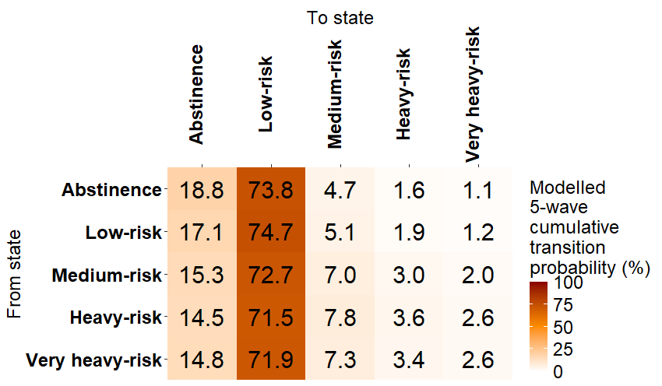

 | P5

 |  | Abstinence | Low-risk | Medium-risk | Heavy-risk | very heavy-risk
 | Abstinence | 18.8% | 73.8% | 4.7% | 1.6% | 1.1%
 | Low-risk | 17.1% | 74.7% | 5.1% | 1.9% | 1.2%
 | Medium-risk | 15.3% | 72.7% | 7.0% | 3.0% | 2.0%
 | Heavy-risk | 14.5% | 71.5% | 7.8% | 3.6% | 2.6%
 | very heavy-risk | 14.8% | 71.9% | 7.3% | 3.4% | 2.6%

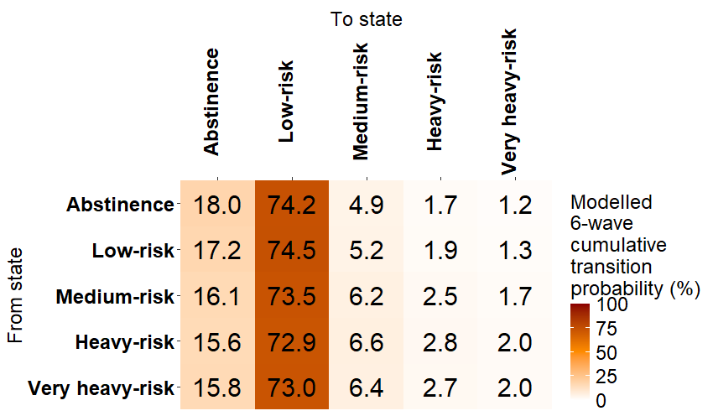

 | P6 | for 72 months
 |  | Abstinence | Low-risk | Medium-risk | Heavy-risk | very heavy-risk
 | Abstinence | 18.0% | 74.2% | 4.9% | 1.7% | 1.2%
 | Low-risk | 17.2% | 74.5% | 5.2% | 1.9% | 1.3%
 | Medium-risk | 16.1% | 73.5% | 6.2% | 2.5% | 1.7%
 | Heavy-risk | 15.6% | 72.9% | 6.6% | 2.8% | 2.0%
 | very heavy-risk | 15.8% | 73.0% | 6.4% | 2.7% | 2.0%

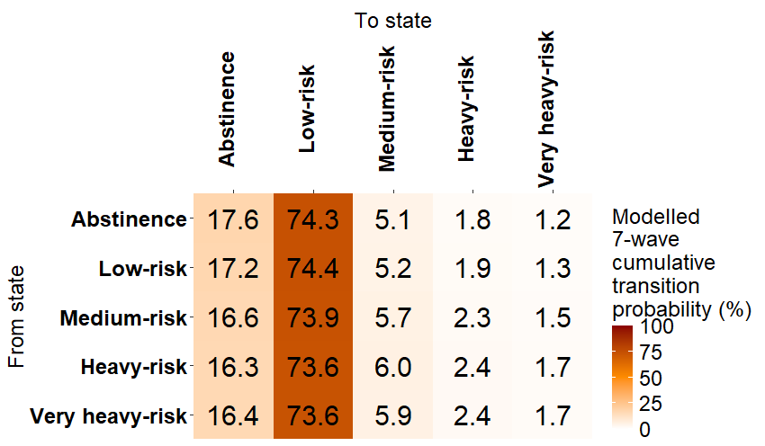

 | P7
 |  | Abstinence | Low-risk | Medium-risk | Heavy-risk | very heavy-risk
 | Abstinence | 17.6% | 74.3% | 5.1% | 1.8% | 1.2%
 | Low-risk | 17.2% | 74.4% | 5.2% | 1.9% | 1.3%
 | Medium-risk | 16.6% | 73.9% | 5.7% | 2.3% | 1.5%
 | Heavy-risk | 16.3% | 73.6% | 6.0% | 2.4% | 1.7%
 | very heavy-risk | 16.4% | 73.6% | 5.9% | 2.4% | 1.7%

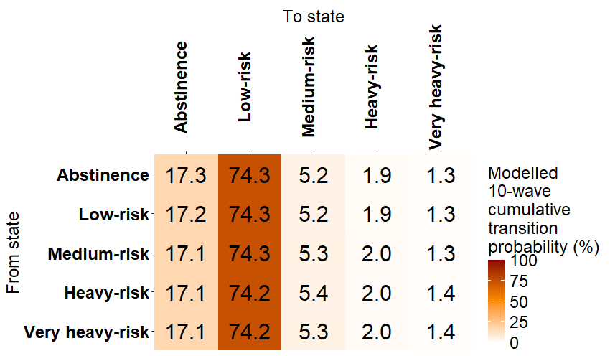
 | P10
 |  | Abstinence | Low-risk | Medium-risk | Heavy-risk | very heavy-risk
 | Abstinence | 17.3% | 74.3% | 5.2% | 1.9% | 1.3%
 | Low-risk | 17.2% | 74.3% | 5.2% | 1.9% | 1.3%
 | Medium-risk | 17.1% | 74.3% | 5.3% | 2.0% | 1.3%
 | Heavy-risk | 17.1% | 74.2% | 5.4% | 2.0% | 1.4%
 | very heavy-risk | 17.1% | 74.2% | 5.3% | 2.0% | 1.4%

1-wave transition by covariates
Cumulative transition probability matrix BY COVARIATES
GENDER
 | MALE |  | FEMALE
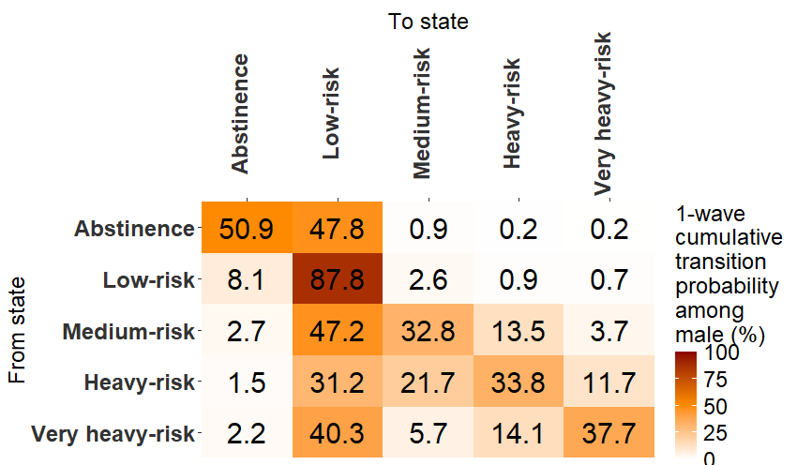
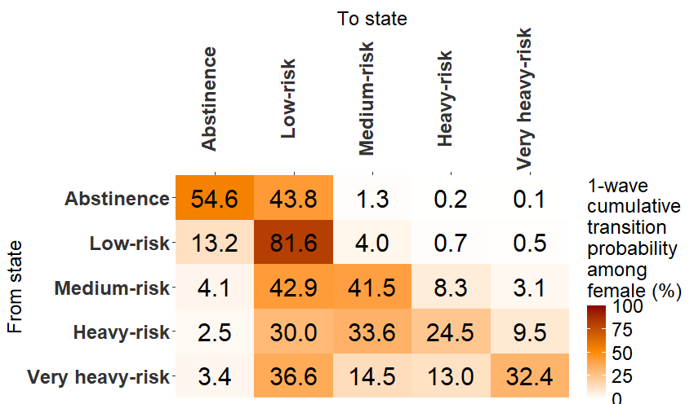

 | P_male | P_female
 | [,1] [,2] [,3] [,4] [,5] | [,1] [,2] [,3] [,4] [,5]
 | [1,] 0.50855014 0.4780705 0.008901752 0.002407488 0.002070155 | [1,] 0.54611532 0.4376627 0.01284594 0.002018095 0.001357936
 | [2,] 0.08108650 0.8778175 0.026025978 0.008517523 0.006552532 | [2,] 0.13215412 0.8158964 0.04013670 0.007214783 0.004597970
 | [3,] 0.02710416 0.4723911 0.327645079 0.135434092 0.037425606 | [3,] 0.04138689 0.4290103 0.41507515 0.083115189 0.031412423
 | [4,] 0.01529168 0.3120213 0.217206615 0.338104482 0.117375927 | [4,] 0.02467527 0.3004364 0.33577459 0.244513541 0.094600171
 | [5,] 0.02234046 0.4027024 0.056878864 0.141375751 0.376702529 | [5,] 0.03440222 0.3662608 0.14485007 0.130354474 0.324132434

AGE
 | 18-24 | 25-34 |  | 35-54 | 55+
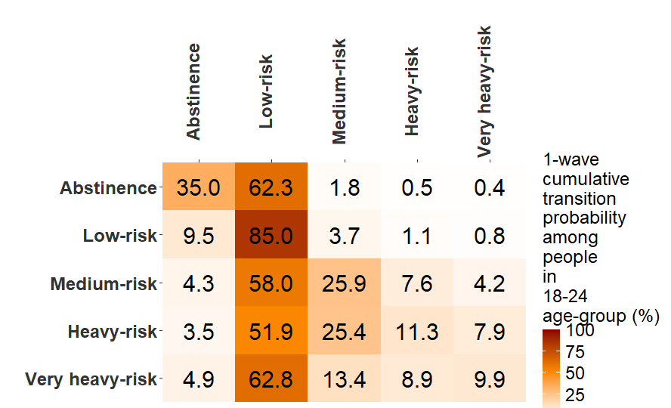
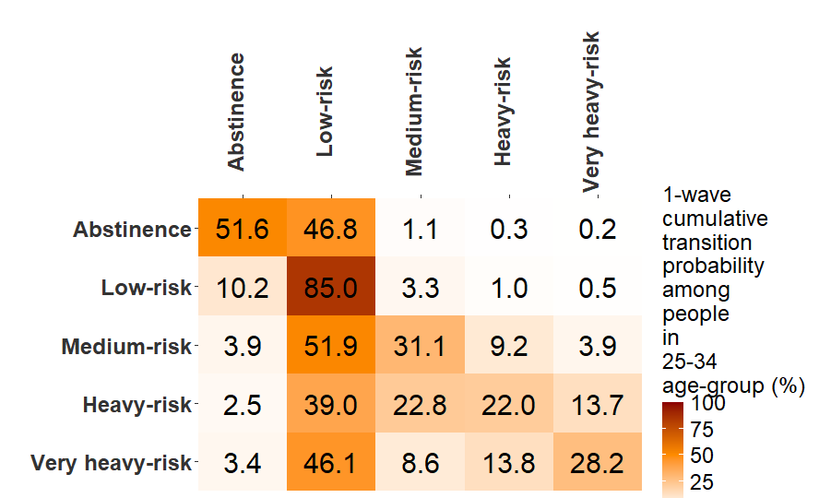
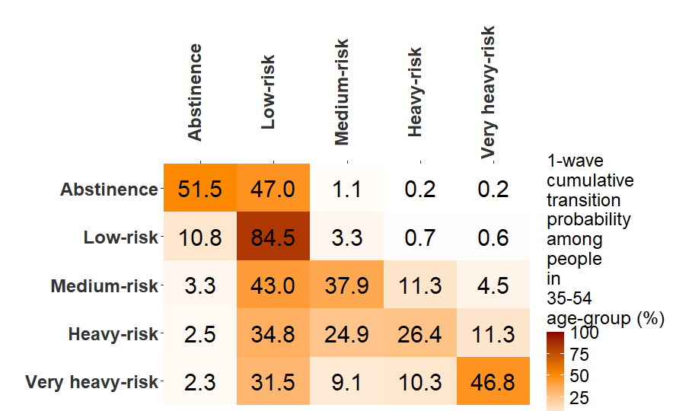
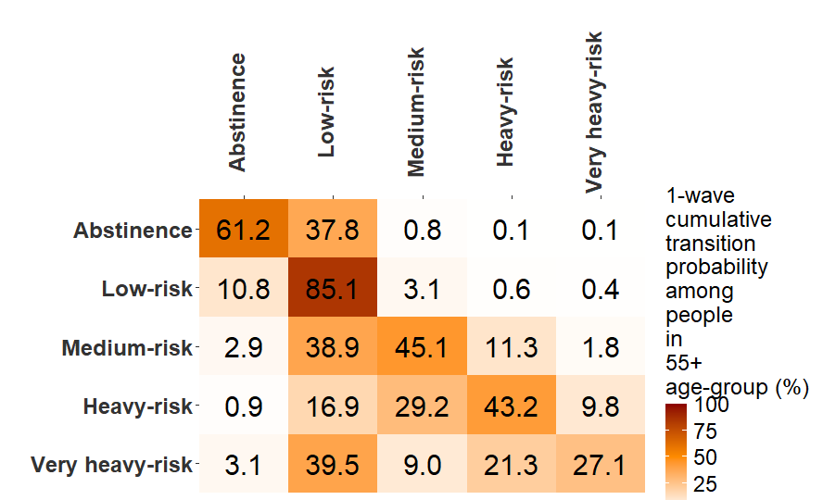

 | P_18_24 | P_25_34 |  | P_35_54 | P_55_up
 | [,1] [,2] [,3] [,4] [,5] | [,1] [,2] [,3] [,4] [,5] |  | [,1] [,2] [,3] [,4] [,5] | [,1] [,2] [,3] [,4] [,5]
 | [1,] 0.34966787 0.6231148 0.01821269 0.00542794 0.003576672 | [1,] 0.51580278 0.4683074 0.01127896 0.003077117 0.001533741 |  | [1,] 0.51451608 0.4700115 0.01140475 0.002125211 0.001942417 | [1,] 0.612211574 0.3775461 0.00792390 0.001168604 0.001149857
 | [2,] 0.09450163 0.8495036 0.03704132 0.01144374 0.007509675 | [2,] 0.10195590 0.8503408 0.03272745 0.009823209 0.005152619 |  | [2,] 0.10772610 0.8450654 0.03338489 0.007462272 0.006361311 | [2,] 0.108307243 0.8509909 0.03053571 0.005825348 0.004340838
 | [3,] 0.04327613 0.5801292 0.25891060 0.07591352 0.041770573 | [3,] 0.03872590 0.5185027 0.31124644 0.092089008 0.039435934 |  | [3,] 0.03303570 0.4299156 0.37907690 0.112857166 0.045114611 | [3,] 0.028994582 0.3890986 0.45093663 0.112535479 0.018434716
 | [4,] 0.03456858 0.5188137 0.25420716 0.11336062 0.079049984 | [4,] 0.02523205 0.3903798 0.22808054 0.219504377 0.136803265 |  | [4,] 0.02492730 0.3483137 0.24946989 0.264146524 0.113142603 | [4,] 0.009017565 0.1691565 0.29150054 0.432265434 0.098059978
 | [5,] 0.04946533 0.6278727 0.13433101 0.08883458 0.099496376 | [5,] 0.03363276 0.4606501 0.08630206 0.137565529 0.281849549 |  | [5,] 0.02276462 0.3150876 0.09106376 0.103458520 0.467625543 | [5,] 0.030765549 0.3949063 0.08996624 0.213341926 0.271019935

RACE/ETHNICITIY

 | HISPANIC | WHITE |  | BLACK | OTHERS
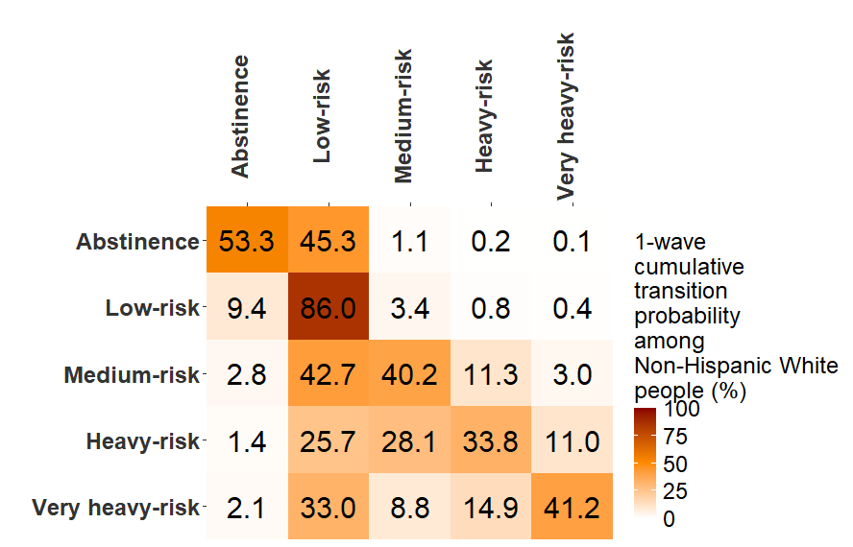
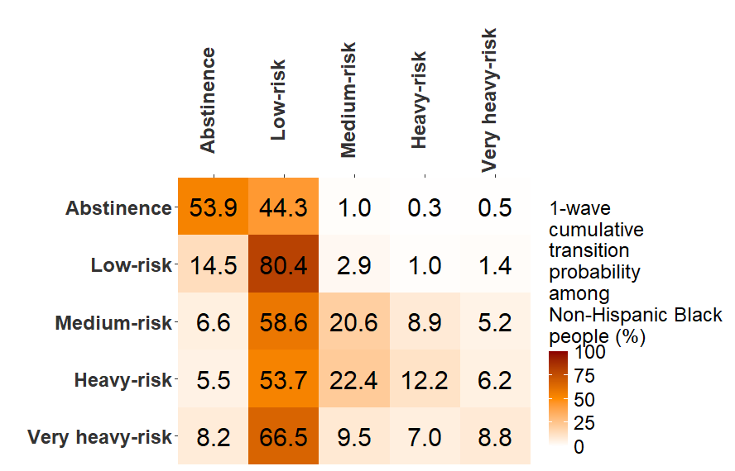
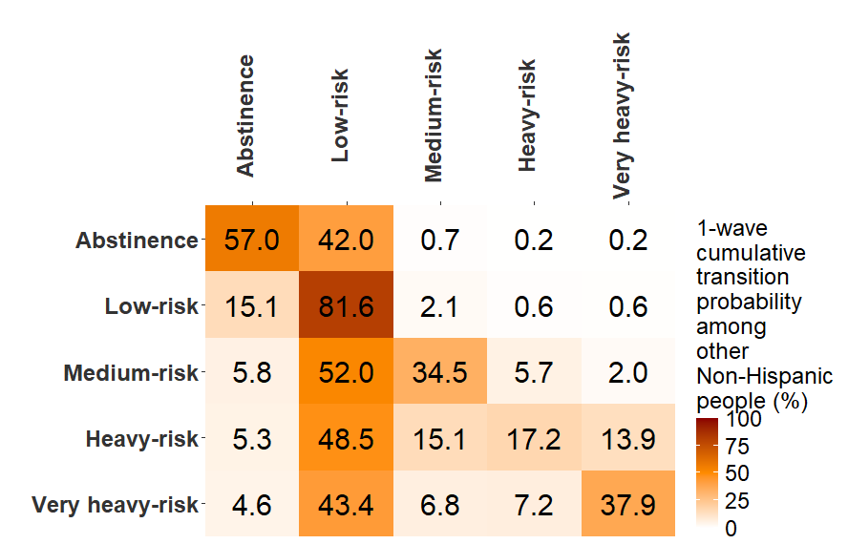
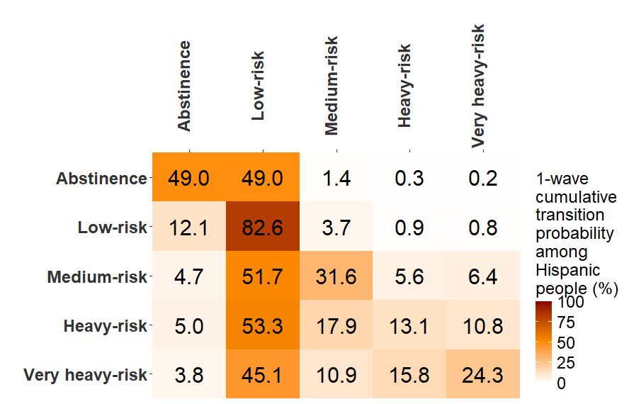

 | P_hisp | P_white |  | P_black | P_others
 | [,1] [,2] [,3] [,4] [,5] | [,1] [,2] [,3] [,4] [,5] |  | [,1] [,2] [,3] [,4] [,5] | [,1] [,2] [,3] [,4] [,5]
 | [1,] 0.49041571 0.4902918 0.01369259 0.003100452 0.002499407 | [1,] 0.53250988 0.4533015 0.01081575 0.00208652 0.001286396 |  | [1,] 0.53888364 0.4430764 0.01015170 0.002820781 0.005067469 | [1,] 0.56993120 0.4198786 0.00653955 0.001990345 0.001660277
 | [2,] 0.12142713 0.8256813 0.03663653 0.008608065 0.007647018 | [2,] 0.09355387 0.8604269 0.03382309 0.00776974 0.004426394 |  | [2,] 0.14466485 0.8036028 0.02855075 0.009579124 0.013602452 | [2,] 0.15101017 0.8157732 0.02104842 0.006416244 0.005751949
 | [3,] 0.04691235 0.5166033 0.31618374 0.056223307 0.064077259 | [3,] 0.02807861 0.4269597 0.40177273 0.11330244 0.029886560 |  | [3,] 0.06622930 0.5857552 0.20643754 0.089371316 0.052206655 | [3,] 0.05794830 0.5195968 0.34469744 0.057366919 0.020390515
 | [4,] 0.04982989 0.5329060 0.17858783 0.130534619 0.108141684 | [4,] 0.01408170 0.2572448 0.28050146 0.33807191 0.110100107 |  | [4,] 0.05516138 0.5371588 0.22437967 0.121688362 0.061611750 | [4,] 0.05332476 0.4845248 0.15080302 0.172360385 0.138987080
 | [5,] 0.03827788 0.4511669 0.10916451 0.158011640 0.243379054 | [5,] 0.02087132 0.3302192 0.08813602 0.14914559 0.411627812 |  | [5,] 0.08210160 0.6647513 0.09494867 0.069927128 0.088271334 | [5,] 0.04632621 0.4344537 0.06761488 0.072377418 0.379227846

